Sheet2
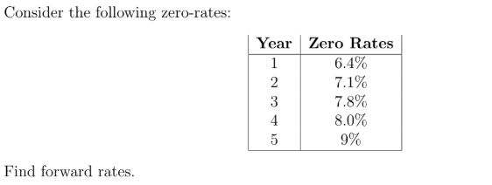
A | B | C | D
Year | Zero Rate (%) | Zero Rate | Forward Rate (from prev yr)
1 | 6.40% | 6.4 | ---
2 | 7.10% | 7.1 | 7.8662162162
3 | 7.80% | 7.8 | 8.5604938272
4 | 8.00% | 8 | 8.2045454545
5 | 9.00% | 9 | 10.111111111

Sheet3
Stock Price | Profit from Bull Spread
65 | -3
70 | -3
75 | -3
80 | -3
85 | 2
90 | 7
95 | 7
100 | 7
105 | 7
110 | 7

